1. Title Page
Instacart Grocery Basket Analysis

Project Name: Instacart Grocery Basket Analysis
Date:
Analyst Name: Yevgeniya Em

Contents:
Population Flow
Consistency checks
Wrangling steps
Column derivations
Visualizations
Recommendations

Data Source:
“The Instacart Online Grocery Shopping Dataset 2017”, Accessed from www.instacart.com/datasets/grocery-shopping-2017 via Kaggle on November 29, 2024.

Data Citation:
Customer data and the “prices” column in the products data set were fabricated for the purpose of this course.

2. Population Flow
Title page

Population flow

Exclusion flag
Condition: max_order <
Obervations to be removed:
Final total count of order_products_all:

Orders_products_combined
Orders_products_merged
Orders_products_all

Total: 32404859
Total: 32434489
Total: 32404859

1.) The grey boxes in the first row of the population flow represent the original data sets as they were when you downloaded them. In the Total fields you need to add the count of the rows when you imported the data set into Jupyter.
2.) The second row of boxes (coloured) represents the data sets after you manipulated them, e.g., removed missing values and duplicates. In the Total fields you need to add the count of the rows after conducting these operations. This offers a visual oveview of how the data flows throughout the data consistency checks.
3.) The third row, where also the arrows are coloured, represents the merges you performed between the datasets. In the Total fields you need to add the count of the rows in the merged datasets, so that you end up with the final dataset (in the red box). Keep in mind the final dataset should be without exclusions (based on the exclusion flag).

3. Consistency checks
 |  |  |  | Title page
Consistency checks

Dataset | Missing values | Missing values treatment | Duplicates
orders | 206209 missing values in "days_since_prior_order" column | imputed with a placeholder value 0. Missing values in this column are associated with the first orders placed by customers, where there is no prior order to calculate a difference. Using 0 preserves the information that these are first-time orders while avoiding confusion with subsequent orders. This is simple, logical, and consistent with the interpretation of the column. | no duplicates found
products | 16 missing values in product_name column | removed after analysing if there some patterns in neighboar columns | 5 duplicates removed
orders_products_prior | no missing values found |  | no duplicates found
customers | 11259 missing values in the column "first_name" | imputed wiwth "unknown" value | no duplicates found
orders_products_merged | 5127 ourliers marked as missing values NaN | Imputed with a mean values. | no duplicates found

4. Wrangling steps
 |  |  |  | Title page
Wrangling steps

Columns dropped | Columns renamed | Columns' type changed | Comment/Reason
"eval_set" from orders.csv | "order_dow" to "orders_day_of_week" | "order_id" column from number to a string, bc each order_id is unique
 | "order_number" to "customers_order_count" for better clarity | "user_id" changing from numeric to str, bc each user_id is unique
"orders_products_prior" |  | "order_id" column from number to a string, bc each order_id is unique
"customers" | First Name' to 'first_name',
 | Surnam' to 'last_name', |  | changed for consistency
 | Gender' to 'gender', |  | changed for consistency
 | STATE' to 'state', |  | changed for consistency
 | Age' to 'age', |  | changed for consistency
 | date_joined' to 'date_joined', |  | changed for consistency
 | n_dependants' to 'number_of_dependents', |  | changed for consistency
 | fam_status' to 'family_status' |  | changed for consistency

5. Column derivations
 |  |  |  |  | Title page

Column derivations and aggregations

In this tab you should add tables below that the frequences of flags/label variables that you produced after deriving them. NB: don't do this for continuous variables, only for flags.
Dataset | New column | Column/s it was derived from | Conditions
ords_prod_merge | busiest_day | order_dow | 0 (Saturday) = busiest day
 |  |  | 4 (Wednesday) = least busy
 |  |  | any other day of the week = regularly busy | busiest_day |  | age_group
ords_prod_merge | busiest_days | order_dow | 0 or 1 (Saturday or Sunday) = busiest days | Regularly busy 22416875 |  | Adult 9702539
 |  |  | 3 or 4 (Tuesday or Wednesday) = slowest days | Busiest day 6204182 |  | Middle Adult 9666673
 |  |  | any other day of the week = regular days | Least busy 3783802 |  | Senior 7730834
ords_prod_merge | busiest_period_of_day | order_hour_of_day | 10 (10:00 am) = most orders | Name: count, dtype: int64 |  | Young Adult 3864518
 |  |  | 3 (3:00 am) = fewest orders |  |  | Name: count, dtype: int64
 |  |  | any other hour of the day = average orders | busiest_days
ords_prod_merge | price_range | prices | if prices <= 5 then 'low-range product' if prices >5 & <= 15 then 'mid-range product' else prices > 15 then 'high-range product' | Regularly busy 12916111 |  | income_group
ords_prod_merge | max_order | user_id, 'order_number' | This gets the maximum frequency of orders ('order_number') grouped by customer ('user_id'). | Busiest days 11864412 |  | High 14207028
ords_prod_merge | loyalty_flag | max_order | if max_order is >40, then labeled as "Loyal customer' | Slowest days 7624336 |  | Middle 13394982
 |  |  | if max_order is <=40 and >10, then labeled as "Regular customer' | Name: count, dtype: int64 |  | Low 3362554
 |  |  | if max_order is <=10, then labeled as 'New customer' |  |  | Name: count, dtype: int64
ords_prod_merged | avg_user_price | user_id, 'prices' | This gets the average price purchased, grouped by 'user_id' | busiest_period_of_day
ords_prod_merged | spending_flag | avg_purchase_price | If avg_purchase_price <10, then labeled as 'Low spender' | Most orders 21118071 |  | dependants_flag
 |  |  | If avg_purchase_price >=10, then labeled as 'High spender' | Average orders 9997651 |  | has dependants 23224883
ords_prod_merged | median_days_between_orders | user_id', 'days_since_prior_order' | This gets the median 'days_since_prior_order' and groups by 'user_id' | Fewest orders 1289137 |  | no dependants 7739681
ords_prod_merged | frequency_flag | median_days | If median_days >20, then labeled as 'Non-frequent customer' | Name: count, dtype: int64 |  | Name: count, dtype: int64
 |  |  | If median_days >10 and <=20, then labeled as 'Regular customer'
 |  |  | If median_days <=10, then labeled as 'Frequent customer' | loyalty_flag |  | region
ords_prods_merged | income_group | income | If income less than or equal to 50,000 then 'Low ' | Regular customer 15876776 |  | South 10791885
 |  |  | If income greater than 50,000 and less than or equal to 100,000 then 'Middle ' | Loyal customer 10284093 |  | West 8292913
 |  |  | If income greater than 100,000 then 'High ' | New Customer 6243990 |  | Midwest 7597325
df_excluded | age_group | age | If age less than or equal to 25 then young adult. (0-24) | Name: count, dtype: int64 |  | Northeast 5722736
 |  |  | If age greater than 25 & less than or equal to 45 then adult. (25-44) |  |  | Name: count, dtype: int64
 |  |  | If age greater than 45 & less than or equal to 65 then Middle adult. (45-64) | spending_type
 |  |  | If age greater than 65 then senior. (65+) | Low Spender 31770614 |  | Frequency_flag
df_excluded | region | state | Northeast_states = ['Maine', 'New Hampshire', 'Vermont', 'Massachusetts', 'Rhode Island', 'Connecticut', 'New York', 'Pennsylvania', 'New Jersey'] | High Spender 634245 |  | Frequent Customer 21559853
 |  |  | Midwest_states = ['Wisconsin', 'Michigan', 'Illinois', 'Indiana', 'Ohio', 'North Dakota', 'South Dakota', 'Nebraska', 'Kansas', 'Minnesota', 'Iowa', 'Missouri'] | Name: count, dtype: int64 |  | Regular Customer 7208564
 |  |  | Southern_states = ['Delaware', 'Maryland', 'District of Columbia', 'Virginia', 'West Virginia', 'North Carolina', 'South Carolina', 'Georgia', 'Florida', 'Kentucky', 'Tennessee', 'Mississippi', 'Alabama', 'Oklahoma', 'Texas', 'Arkansas', 'Louisiana'] |  |  | Non-frequent Customer 3636437
 |  |  | Western_states = ['Idaho', 'Montana', 'Wyoming', 'Nevada', 'Utah', 'Colorado', 'Arizona', 'New Mexico', 'Alaska','Washington', 'Oregon', 'California', 'Hawaii'] |  |  | Name: count, dtype: int64
df_excluded | dependants_flag | number_of_dependants | If number of dependents > 1, then 'Has dependents'
 |  |  | If number of dependents <= 0, then 'No dependents'
customer_profile | order_price | user_id, price, customer_order_count, loyalty_flag, spending_flag, region, age_group, income_group, dependants_flag, days_since_prior_order | This gets the sum of all prices, grouped by user_id, order_number, loyalty_flag, spender_type, region, age_group, marital_status, income_group, dependents_flag, days_since_prior_order

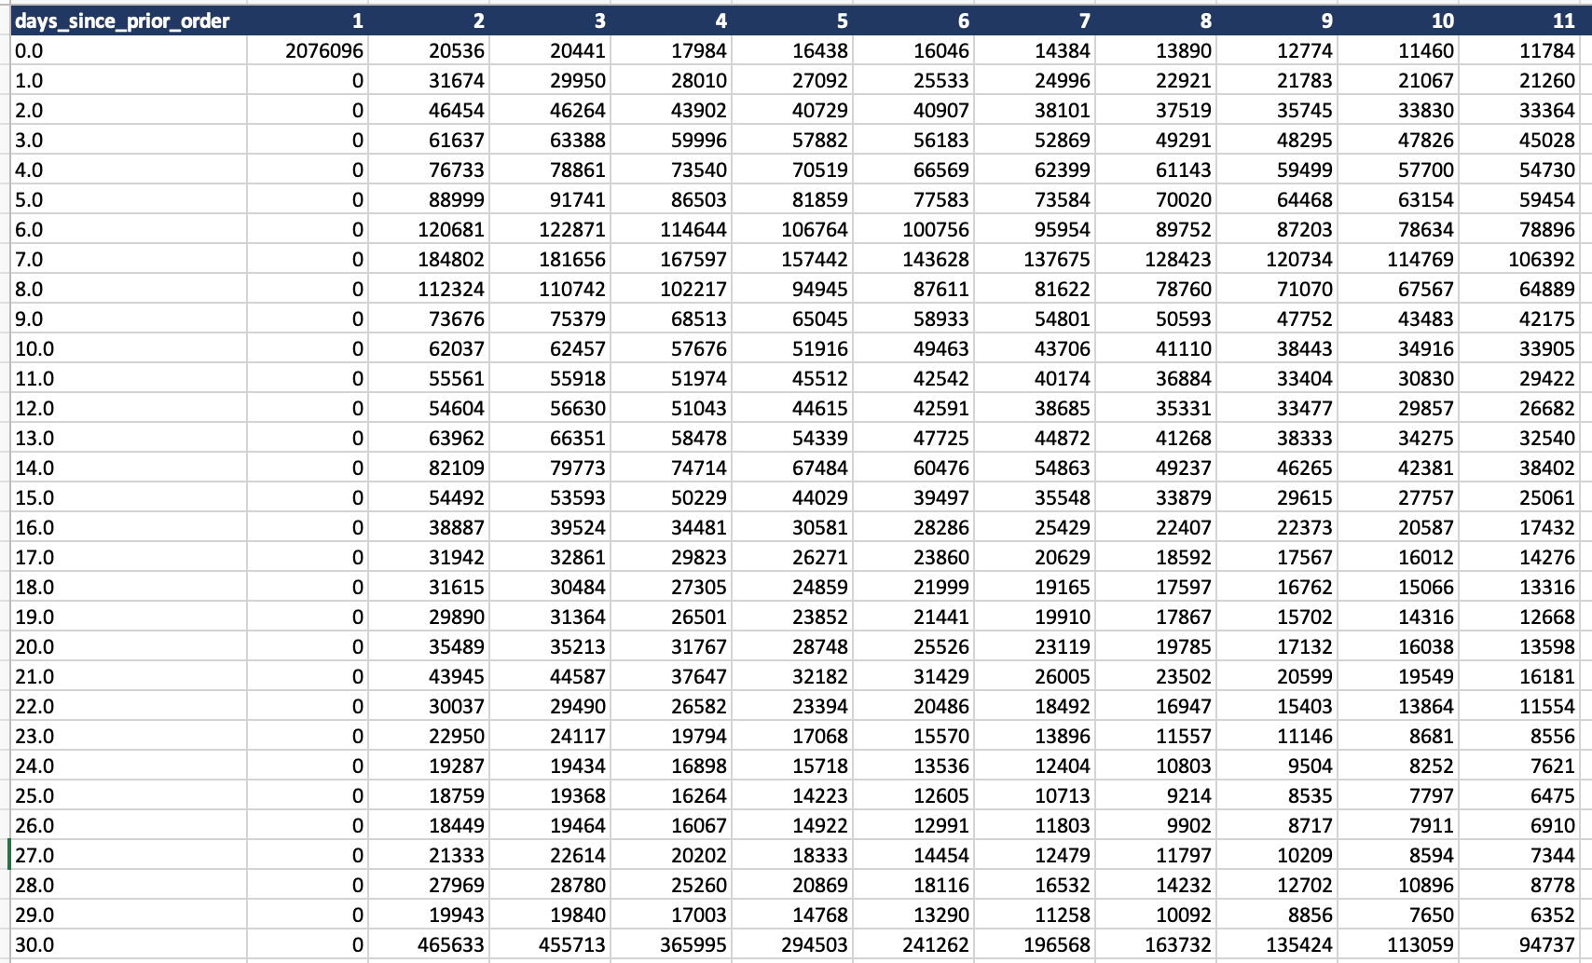

 |  |  |  | Crosstab spending habits in different regions

6. Visualizations
 |  |  |  |  |  |  | Title page

Visualisations

In this tab you should include all the visualtions from Exercises 4.9 and 4.10, alongside the questions from the project brief that they answer. Include any commentary on the relationship between different variables.

1. | What are the busiest days of the week and hours of the day?
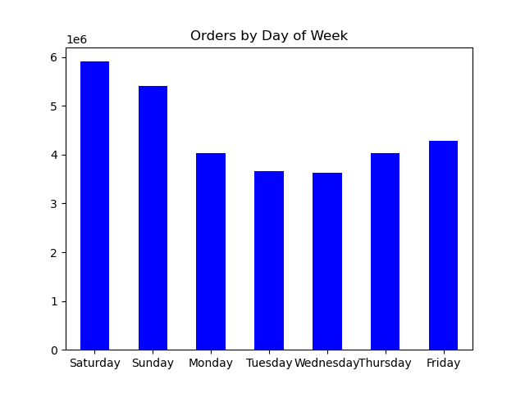
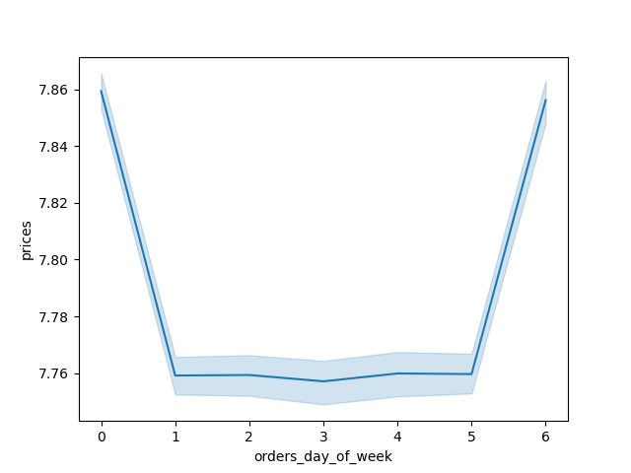

Spending by Day of Week

The busiest days of the week are Saturday and Sunday between the hours of 8 am to 4 pm. Tuesday and Wednesday are the least busy days of the week.

2. | Are there particular times of the day when people spend the most money?

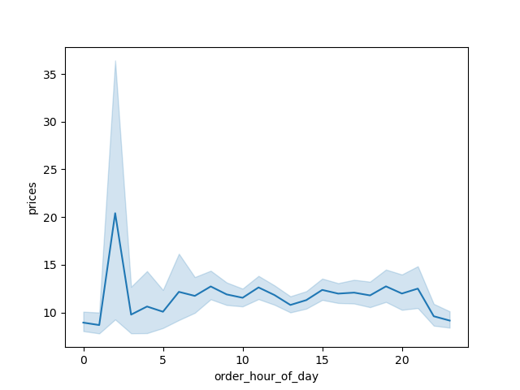

We see a slight spike around 2am, perhaps people in bed making purchases before going to bed.

3. | Are there certain type of products that are more popular than others?
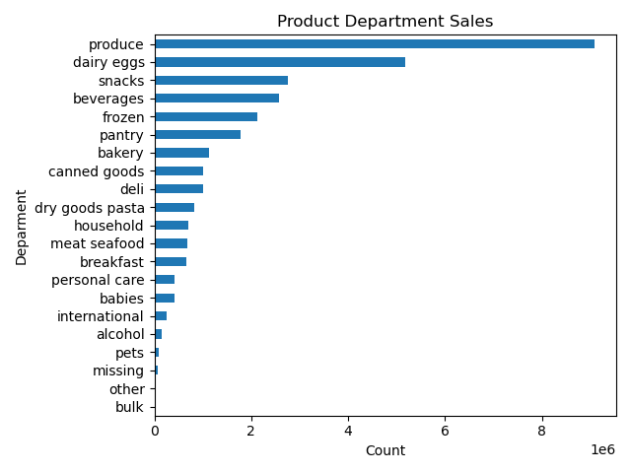
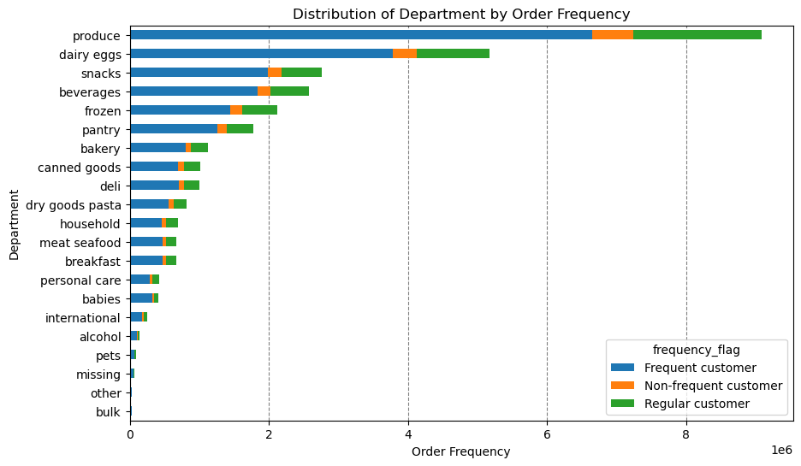

Identifies produce, dairy/eggs, snacks, beverages, and frozen goods as the top product categories.

4. | What's the distribution amoung users in regards to their brand loyalty? How often do they return to Instacart?
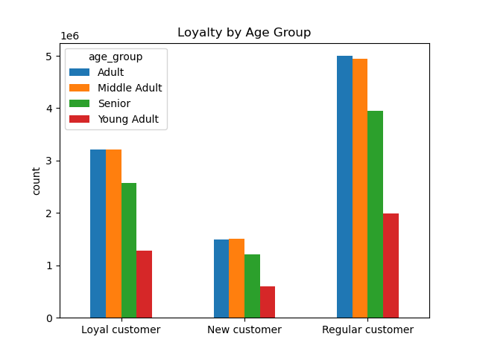
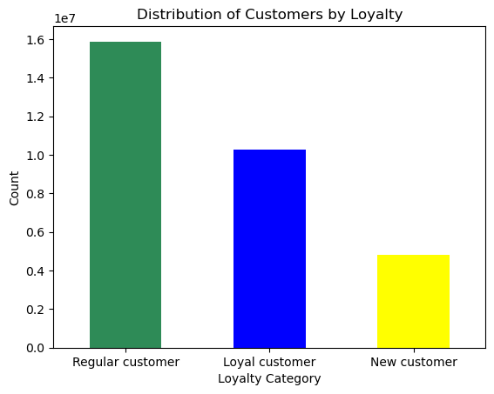

Shows regular customers contribute the most to sales, followed by loyal customers, with most belonging to Adult and Middle Adult age groups.

5. | Are there differences in ordering habits based on loyalty status?
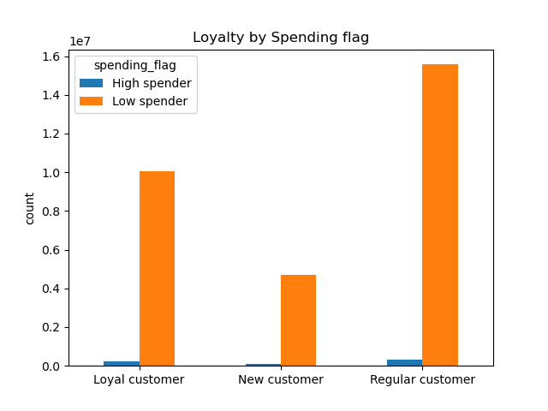
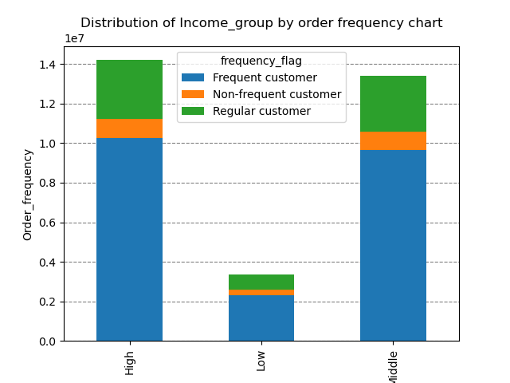

Suggests middle and high-income customers are more likely to order frequently, irrespective of loyalty status. |  |  |  |  | Also more often make orders customers with middle and high income.

6. | Are there differences in ordering habits based on region?
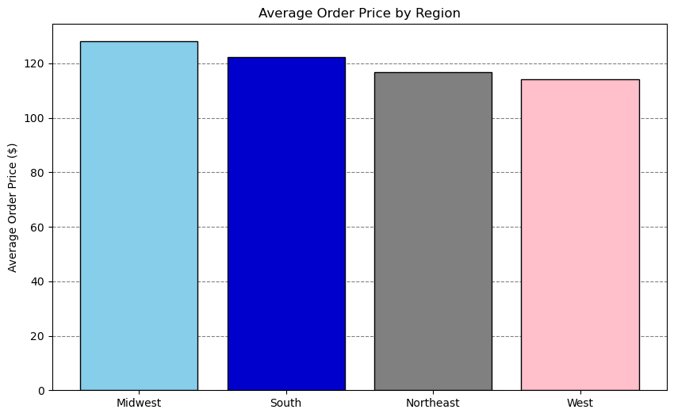
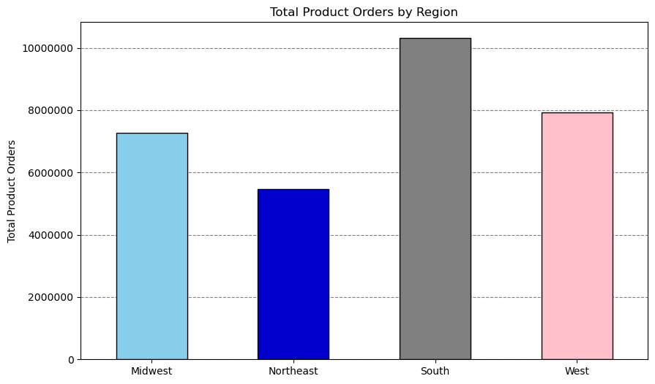

Highlights the South as the region with the highest orders, followed by the West, Midwest, and Northeast, perhaps due to higher population density in states and it's also urban area. |  |  |  |  | The average order price has almost the same range across all regions.

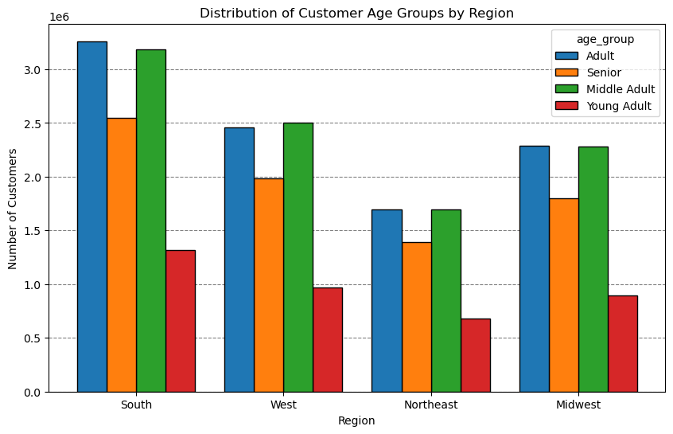
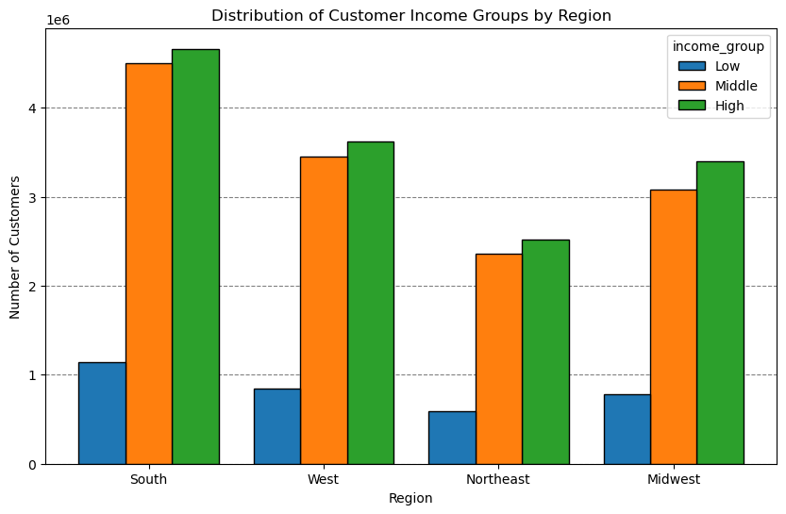

We observe similar distrbution of customers age groups across all the regions. |  |  |  |  | High Income group contributes to the maximun number of customers across all regions, followed by middle and low income groups.
The biggest customer age groups are adults 25-45 years, middle age adults 45-65 years, the smallest the young adults uo to 25 years old. |  |  |  |  | Spending patterns are consistent across regions.

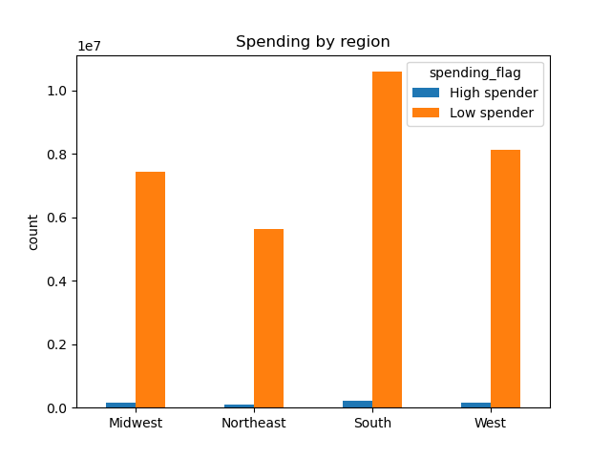

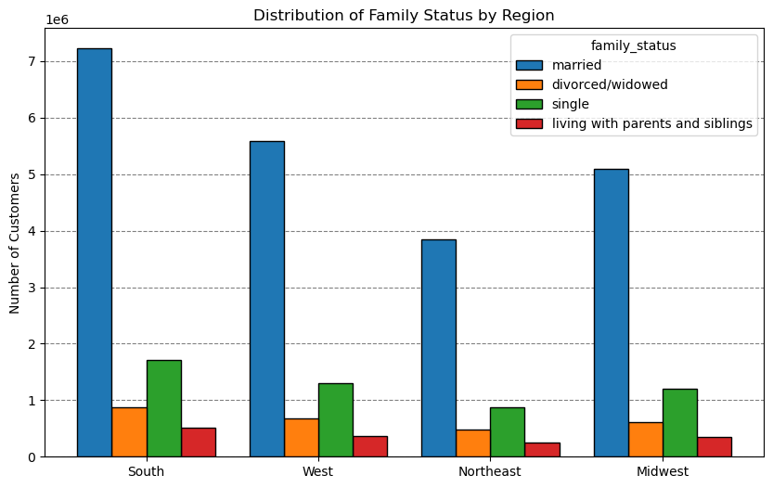
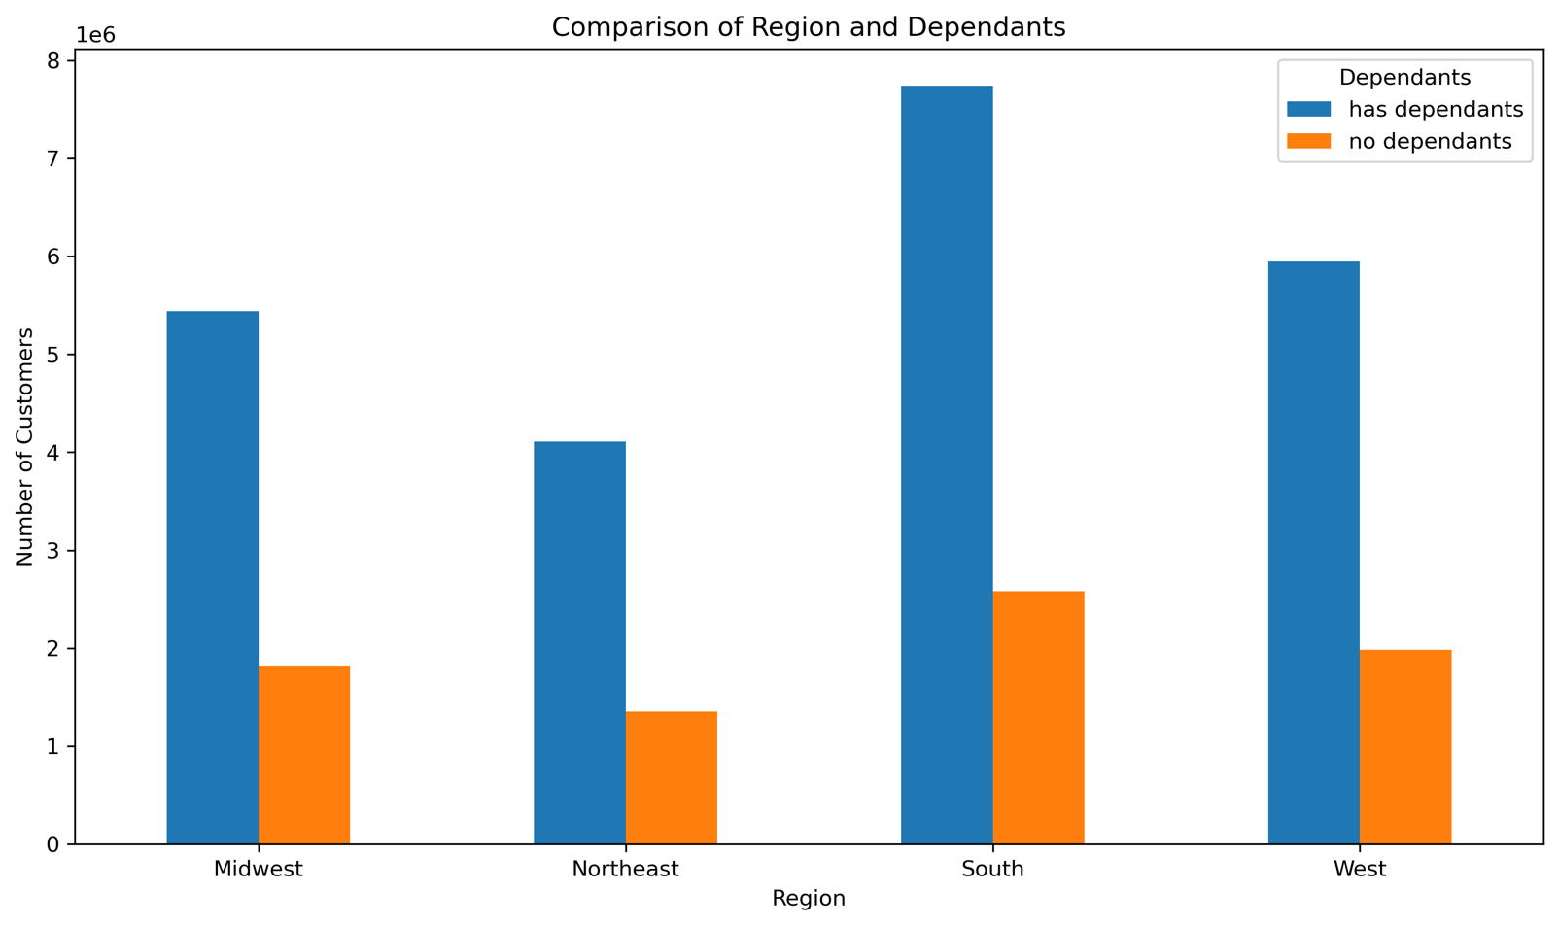

Southern Region has highest number of High spenders as well as low spenders, followed by West then Midwest and finally Northeast. This difference may be due to the amount of population in differnt regions. However all regions have more Low spenders than High Spenders. |  | Married People contribute to the maximun number of cutomers in all regions, followed by single, divorced/widowed and living with parents and siblings. |  |  |  |  |  | Customers having dependants are more in all regions than customers without dependants.

7. | What is the distribution among users as to how often they return to Instacart? Is there a connection between age and family status and ordering habits?

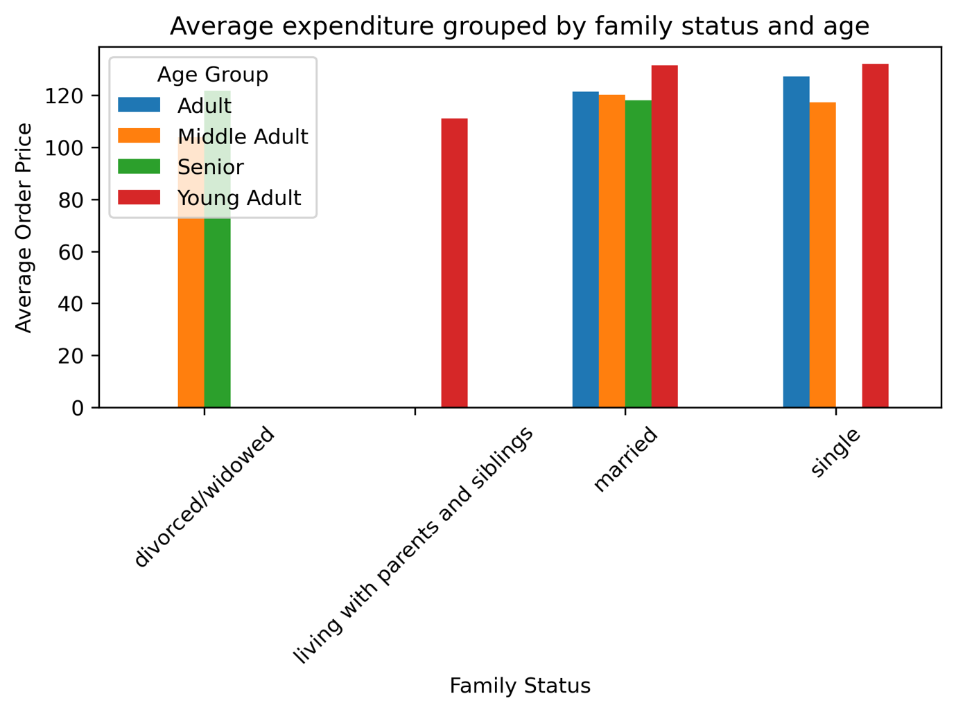
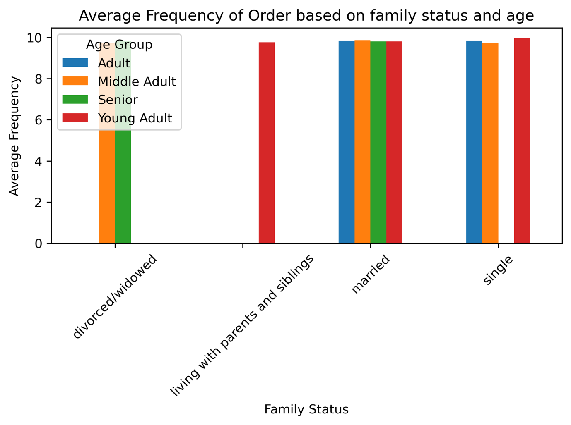

We can see slightly Average Expenditure by single young adult and adult are higher, also by married young adults. |  |  |  |  | Average Frequency of Order for different combinations of age groups and family status is almost same.

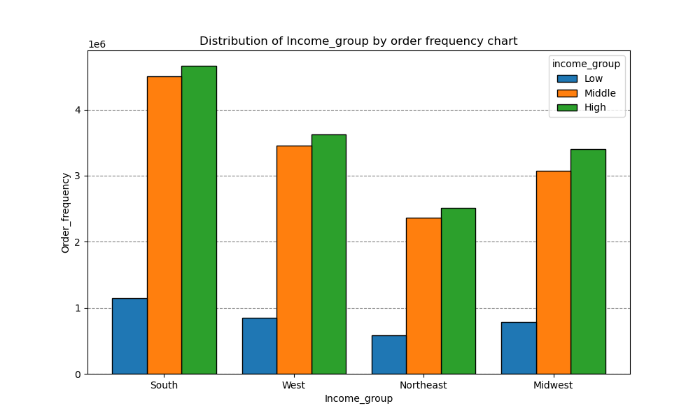
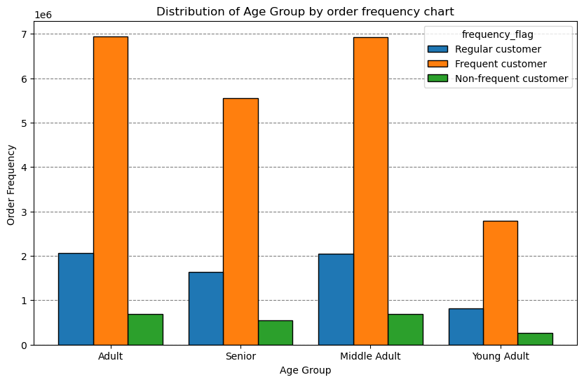
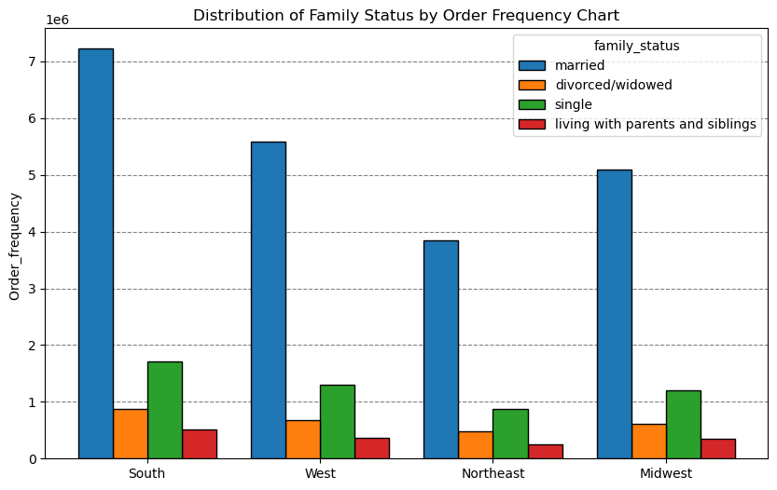

Across all age groups, the Frequent (return in 10 days) customer category has the highest order frequency. The "Adult" and "Middle Adult" groups show the largest number of orders from Frequent customers. Middle Adults and Adults are the most active customer segments overall. Young Adults and Seniors have fewer orders compared to Adults and Middle Adults, but they still have notable numbers of frequent customers. The second most significant category across all age groups is regular customer (return between 10-20 days), though it trails far behind the Frequent customer group. |  |  | Across all regions, the high-income group has the highest order frequency. This trend is most pronounced in the South and West regions. The middle-income group follows closely behind the high-income group in all regions. The low-income group has the lowest order frequency in all regions, with the highest concentration in the South. The South has the highest overall order frequency, especially from the high-income group, indicating a potential concentration of affluent customers in this region. The West and Midwest show similar patterns of order frequency, with middle and high-income groups leading. The Northeast has the lowest overall order frequency among all regions. |  |  |  |  |  | The married group overwhelmingly contributes the most to order frequency in all regions. This trend suggests that households with families are primary customers. Single customers rank second in order frequency, with consistent contributions across regions. Divorced/widowed and living with parents/siblings: These two groups have relatively low order frequencies across all regions. The South and West regions have the highest order frequency from married customers. The Northeast shows comparatively lower order frequencies, even for married customers.

8. | What different classifications does the demographic information suggest? Age? Income? Certain types of goods? Family status??

 | Age group classification |  |  | Income group classification |  |  |  |  |  | Family group classification
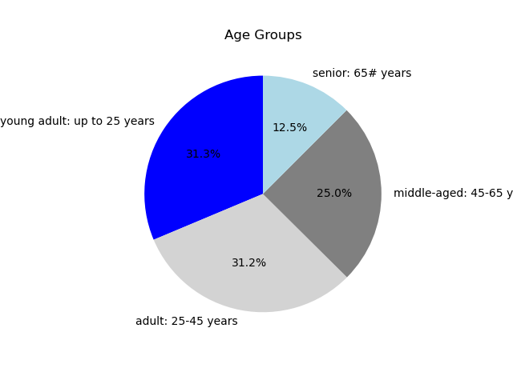

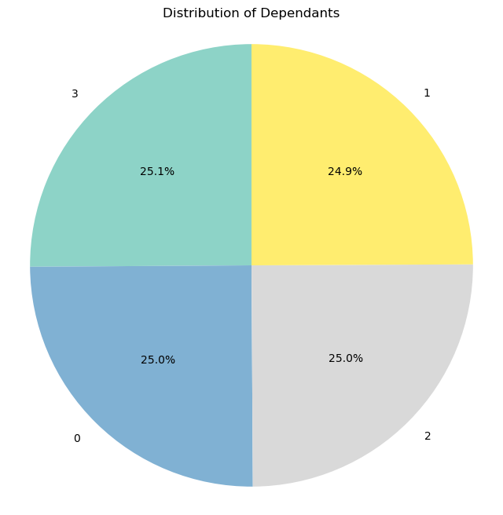

Most customers are young adult and adult, followed by middle-aged and seniors. Due to young people are more comfortbale buying online than the oldier people. |  |  |  | User in the upper income bracket tend to be over 40. |  |  |  |  |  | A quarter of the customers lare single, three quarters have children. Of these, almost evenly distributed, every third has one, two or three children

 | Product Classification (Certain Types of Goods)
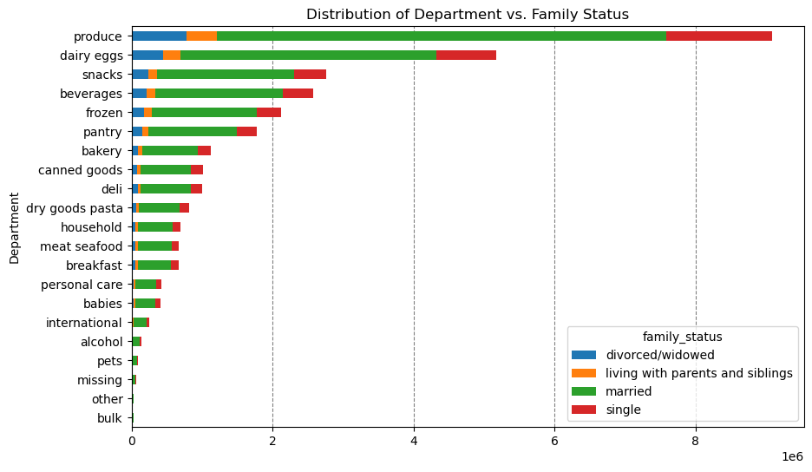
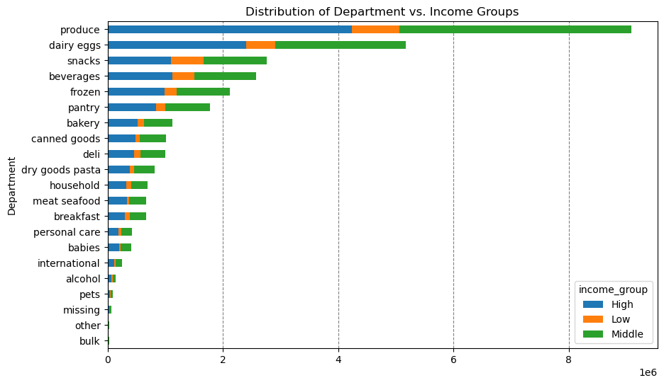
 | product family status

Displays the proportion of orders placed across departments segmented by family status (e.g., Married, Single, Divorced/Widowed). Married customers contribute the most to orders in all departments, particularly in high-demand categories like produce and snacks. Single customers have moderate representation, while Divorced/Widowed customers show lower engagement. |  |  |  |  |  | Shows the distribution of orders by department across different income groups (Low, Middle, High). High-income groups dominate in departments like produce and dairy/eggs, while middle-income groups are consistent across departments. Low-income groups show less engagement overall.

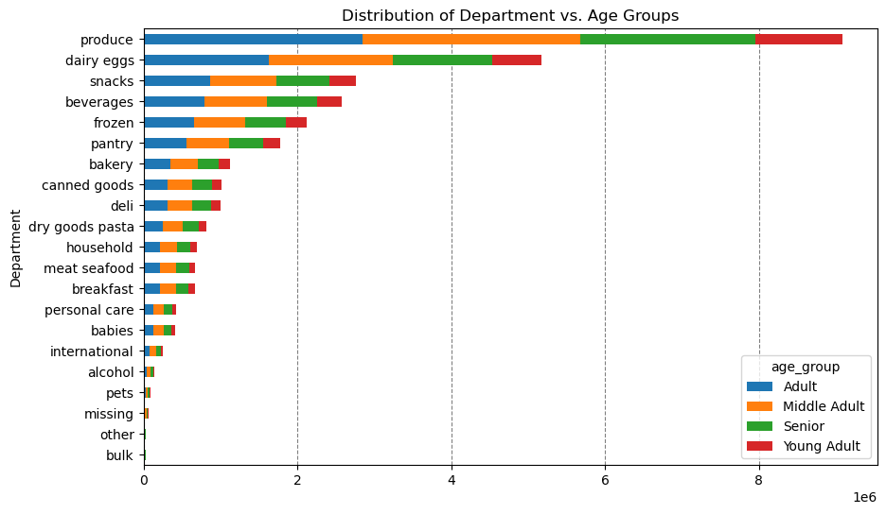
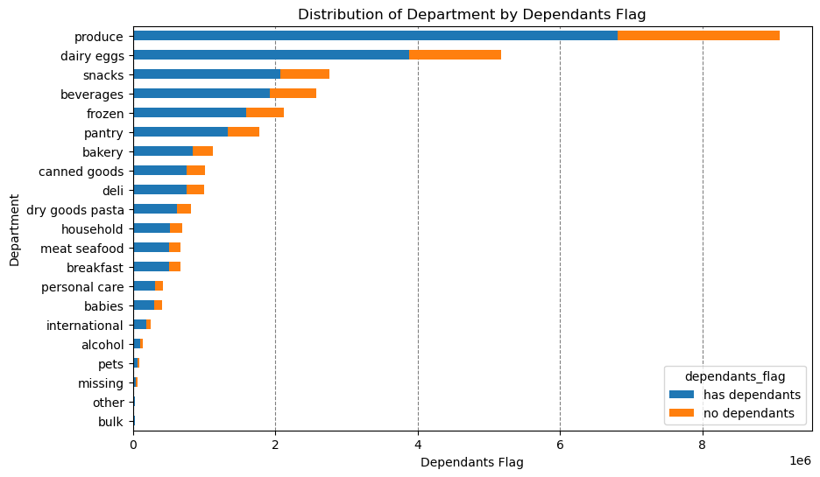

Compares department orders across age groups (e.g., Young Adults, Adults, Middle Adults, Seniors). Adults and Middle Adults dominate across all departments, particularly in produce and snacks, while Seniors and Young Adults contribute less. |  |  |  |  |  | Illustrates department preferences segmented by whether customers have dependents or not. Customers with dependents place more orders across all departments, particularly in essentials like produce and dairy/eggs.

9. | What differences can you find in ordering habits of different customer profiles? Consider the price of orders, the frequency of orders, the products customers are ordering.

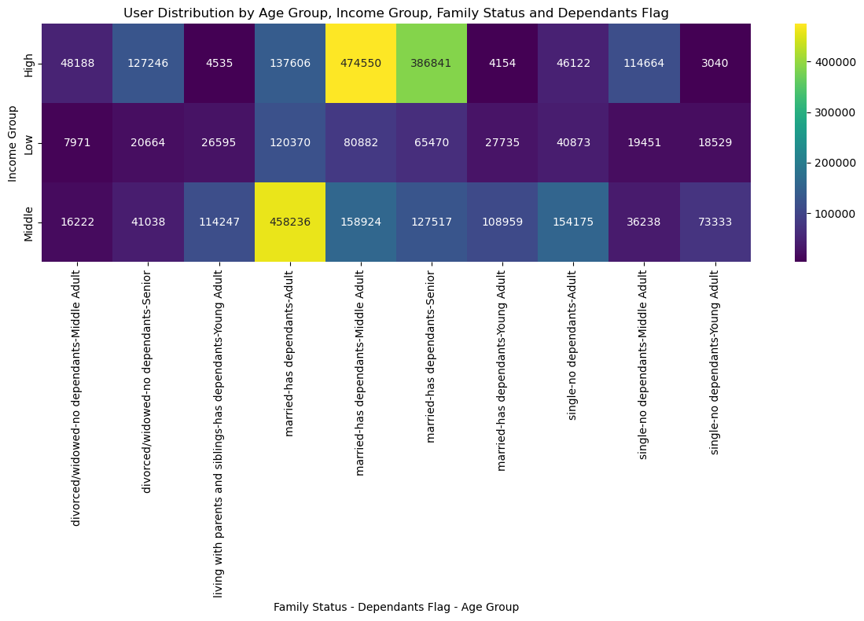

 |  |  |  |  |  | Age Group:
 |  |  |  |  |  | Middle Adults (45-65 years) and Adults (25-45 years) consistently show higher order frequencies and spending.
 |  |  |  |  |  | Young Adults (under 25 years) and Seniors (65+ years) contribute less to orders, suggesting less frequent engagement or smaller order sizes.

 |  |  |  |  |  | Income Group:
 |  |  |  |  |  | High-income customers have the highest order frequencies and spending levels across all metrics, followed by middle-income customers.
 |  |  |  |  |  | Low-income customers contribute significantly less, likely due to budget constraints.

 |  |  |  |  |  | Family Status:
 |  |  |  |  |  | Married customers dominate order frequency and spending, highlighting the role of family-oriented purchases.
 |  |  |  |  |  | Single customers are the second-largest contributors, but their average order size tends to be smaller.
 |  |  |  |  |  | Divorced/Widowed customers and those living with parents or siblings show the least engagement.

 |  |  |  |  |  | Dependents Flag:
 |  |  |  |  |  | Customers with dependents order more frequently and spend more on average, emphasizing the need for family-focused products.
 |  |  |  |  |  | Customers without dependents contribute less but still represent a significant user base, likely purchasing individual or small-portion items.

7. Recommendations
 |  |  |  |  | Title page

Recommendations

In this tab you should include any recommendations you would made to Instcart in terms of their marketing strategy based on the questions posed in the brief. Every key question has been covered in the Tasks of the Exercises - here you need to add an item - a visualisation or table/crosstable that is showing the answer in the data, acompanied by a comment from you. Please, list the questions below and add the answer underneath.

 | Question | Answer | Recommendation
1. | What are the busiest days of the week and hours of the day? | The busiest days of the week are Saturday and Sunday between the hours of 8 am to 4 pm. Tuesday and Wednesday are the least busy days of the week. | Target Saturday and Sunday for Ads: Focus advertising during off-peak hours to maximize engagement without overwhelming operational capacity.

2. | Are there particular times of the day when people spend the most money? | Spending peaks slightly around 2 AM, likely from late-night shoppers. However, spending is generally consistent during the busiest hours of 8 AM to 4 PM. | Highlight Late-Night Offers: Target late-night customers with promotions or app notifications, especially around 2 AM.

3. | Are there certain products that are more popular than others? | The top product categories are produce, dairy/eggs, snacks, beverages, and frozen foods. These categories dominate orders across all demographics. | Promote Popular Products: Feature top product categories (produce, dairy/eggs, snacks, beverages, frozen) in marketing campaigns.

4. | What's the distribution amoung users in regards to their brand loyalty? How often do they return to Instacart | Regular customers contribute the most to sales, followed by loyal customers. Most customers are in the Adult (25-45 years) and Middle Adult (45-65 years) age groups. | Leverage Regular Customers: Implement loyalty programs for regular customers to retain and convert them into loyal customers.

5. | Are there differences in ordering habits based on loyalty status? | Middle and high-income customers are more frequent buyers, regardless of loyalty status. Most customers across loyalty statuses are low spenders. | Differentiate by Income: Develop premium offers for middle and high-income groups, tailoring product suggestions based on loyalty status.

6. | Are there differences in ordering habits based on region? | The South region has the highest order volume, followed by the West, Midwest, and Northeast. Spending patterns are consistent across regions, with more low spenders than high spenders in all regions. | Region-Specific Strategies: Prioritize marketing efforts in the South and West, leveraging regional preferences for family-focused products.

7. | What is the distribution among users as to how often they return to Instacart? Is there a connection between age and family status and ordering habits? | Order frequency is similar across age and family status, but single and married young adults tend to spend more. Customers with dependents order more frequently. | Age and Family Campaigns: Target single and married young adults with promotions emphasizing convenience and value.
 |  |  |  | .
8. | What different classifications does the demographic information suggest? Age? Income? Certain types of goods? Family status?? | High-income users tend to be over 40 years old and spend more. Married customers dominate in all regions, followed by single customers. Families with children are the primary purchasers, while single users tend to spend less. | Segment Demographics: Use detailed classifications (age, income, family status) to create tailored campaigns for different customer segments.

9. | What differences can you find in ordering habits of different customer profiles? Consider the price of orders, the frequency of orders, the products customers are ordering. | High-income, married customers with dependents in the Adult and Middle Adult age groups are the most valuable customer profiles. | Target High-Value Profiles: Focus on married, high-income customers with dependents, especially in the 25-65 age range.
 |  | Low-income and senior customers exhibit the lowest levels of engagement. | Engage Less Active Groups: Develop campaigns to boost engagement among seniors and low-income customers, such as discounts on essentials.
 |  | Family-oriented and high-income demographics significantly influence spending and frequency. | Product Segmentation: Tailor product bundles and promotions for customers with dependents to cater to family-oriented needs.
 |  |  | Personalized Marketing: Use insights from the heatmap to design personalized marketing strategies for single and young adult customers, emphasizing convenience and affordability.

